1. Title Page
Instacart Grocery Basket Analysis

Project Name: Instacart Grocery Basket Analysis
Date: 08/25/2023
Analyst Name: Petrona Alexander

Contents:
Population Flow
Consistency checks
Wrangling steps
Column derivations
Visualizations
Recommendations

Data Citation:
“The Instacart Online Grocery Shopping Dataset 2017”, Accessed from www.instacart.com/datasets/grocery-shopping-2017 via Kaggle on 7/17/2023.
The customer data as well as the “prices” column in the products data set, were both fabricated for the purpose of this course.

2. Population Flow
Title page

Population flow

Exclusion flag
Condition: max_order <
Obervations to be removed:
Final total count of order_products_all:

Orders_products_combined
Orders_products_merged
Orders_products_all

Total: 32,404,859 rows x 23 columns
Total: 32,404,859 rows x 33 columns
Total: 32,434,489 rows x 13 columns

1.) The grey boxes in the first row of the population flow represent the original data sets as they were when you downloaded them. In the Total fields you need to add the count of the rows when you imported the data set into Jupyter.
2.) The second row of boxes (coloured) represents the data sets after you manipulated them, e.g., removed missing values and duplicates. In the Total fields you need to add the count of the rows after conducting these operations. This offers a visual oveview of how the data flows throughout the data consistency checks.
3.) The third row, where also the arrows are coloured, represents the merges you performed between the datasets. In the Total fields you need to add the count of the rows in the merged datasets, so that you end up with the final dataset (in the red box). Keep in mind the final dataset should be without exclusions (based on the exclusion flag).

3. Consistency checks
 |  |  |  | Title page
Consistency checks

Dataset | Missing values | Missing values treatment | Duplicates
products | 16 missing values for the product_name column | Created new dataframe without missing values | 5 duplicates; created new dataframe without duplicates

orders | 206, 209 missing values for the days_since_prior_order column | Replaced missing values with zero, as they represent first time orders | No duplicates found

customers | 11,259 missing values in the "First Name" column. | Missing values left as is | No duplicates found

all | 206, 209 missing values for the days_since_prior_order column | Replaced missing values with zero, as they represent first time orders

4. Wrangling steps
 |  |  |  | Title page
Wrangling steps

Columns dropped | Columns renamed | Columns' type changed | Comment/Reason
 |  | user_id | changed to string to make consistent for merge
 | order_dow |  | changed to 'order_day_of_week'
 | First Name |  | changed to 'first_name' for consistency across column headings
 | Surnam |  | changed to 'last_name' for clarity and consistency
 | Gender |  | changed to 'gender' to remove all caps for consistency across column headings
 | STATE |  | changed to 'state' to remove all caps for consistency across column headings
 | Age |  | changed to 'age' to remove upper case for consistency across column headings
 | n_dependants |  | changed to 'number_of_dependent' for clarity and spelling correction
 | fam_status |  | changed to 'marital_status' for clarity
 |  | first_name | changed to string to correct mixed data type issue
first_name |  |  | PII data removed
last_name |  |  | PII date removed

5. Column derivations
 |  |  |  | Title page

Column derivations and aggregations

In this tab you should add tables below that the frequences of flags/label variables that you produced after deriving them. NB: don't do this for continuous variables, only for flags.
Dataset | New column | Column/s it was derived from | Conditions
orders_products_merged | price_range_loc | prices | Low range product: prices <=5 Mid range product: prices >5 & <= 15 High range product: prices > 15
orders_products_merged | busiest_day | orders_day_of_the_week | Busiset day: order_day_of_week = 0 Least busy: order_day_of_week = 4 Regularly busy: all else
orders_products_merged | busiest_day | orders_day_of_the_week | Busiest Days: order_day_of_week = 0 or 1 Slowest days: order_day_of_week = 4 or 3 Regularly busy: all else
orders_products_merged | busiest_period_of_day | order_hour_of_day | Most orders: value in 10, 11, 14, 15, 13, 12, 16, 9 Fewest orders: value in 23, 6, 0, 1, 5, 2, 4, 3 Average orders: all else
orders_products_merged | max_order | user_id, order_number | Max number of orders for each user_id
orders_products_merged | loyalty_flag | max_order | Loyal customer: max_order > 40 Regular Customer: max_order <= 40 & >10 New Customer: max_order <= 10
orders_products_merged | avg_price | user_id, prices | Mean prices for each user_id
orders_products_merged | spending_flag | avg_price | Low spender: avg price < 10 High spender: avg price >= 10
orders_products_merged | median_days_since_prior_order | user_id, days_since_prior_order | Median number of orders
orders_products_merged | order_frequency_flag | median_days_since_prior_order | Non-frequent customer: median_days_since_prior_order >20 Regular customer: median_days_since_prior_order <= 20 & >10 Frequent customer: median_days_since_prior_order <=10
final_subset_sample | department | department_id | departments assigned according to data dictionary derived from df_depts dataset
final_subset_sample | age_group | age | Child: age <= 16 & >= 0 = Young Adults: age <= 30 & >= 17 Middle Aged Adults: age <= 45 & >= 31 Old Adults: age > 45
final_subset_sample | income_group | income | Low Income: income < 43350 Middle Income: iincome <= 130000 & >= 43350 Upper Income: income > 130000
final_subset_sample | dependents_group | number_of_dependents | Parent: number of dependents > 0 No Children: number of dependents == 0
final_subset_sample | customer_profile | marital_status, number_of_dependents, gender | Single parent: marital status != married & number of dependents > 0 Single female without chidlren: marital status != married & gender == Female & number of dependents == 0 Single male without chidlren: marital status != married & gender == Male & number of dependents == 0 Married young parent: marital status == married & number of dependents >0 Married without children: marital status == married & number of dependents == 0
final_subset_sample | customer_income_profile | marital_status, number_of_dependents, gender, income_group | Low income single parent: marital status != married & number of dependents > 0 & income group = Low Income Middle income single parent: marital status != married & number of dependents > 0 & income group = Middle income Upper income single parent: marital status != married & number of dependents > 0 & income group = Upper Income Low income single female without chidlren: marital status != married & gender == Female & number of dependents == 0 & income group = Low Income Middle income single female without chidlren: marital status != married & gender == Female & number of dependents == 0 & income group = Middle Income Upper income single female without chidlren: marital status != married & gender == Female & number of dependents == 0 & income group = Upper Income Low income single male without chidlren: marital status != married & gender == Male & number of dependents == 0 & income group = Low Income Middle income single male without chidlren: marital status != married & gender == Male & number of dependents == 0 & income group = Middle Income Upper income single male without chidlren: marital status != married & gender == Male & number of dependents == 0 & income group = Upper Income Low income married young parent: marital status == married & number of dependents >0 & income group = Low Income Middle income married young parent: marital status == married & number of dependents >0 & income group = Middle Income Upper income married young parent: marital status == married & number of dependents >0 & income group = Upper Income Low income married without children: marital status == married & number of dependents == 0 & income group = Low Income Middle income married without children: marital status == married & number of dependents == 0 & income group = Middle Income Upper income married without children: marital status == married & number of dependents == 0 & income group = Upper Income
final_subset_sample | time_period |  | Before 8am Between 8am and 5pm After 5pm
final_subset_sample | day | order_day_of_week | Saturday: order day of week = 0 Sunday: order day of week = 1 Monday: order day of week = 2 Tuesday: order day of week = 3 Wednesday: order day of week = 4 Thursday: order day of week = 5 Friday: order day of week = 6

6. Visualizations
 | Title page
Visualisations

In this tab you should include all the visualtions from Exercises 4.9 and 4.10, alongside the questions from the project brief that they answer. Include any commentary on the relationship between different variables.

1. The sales team needs to know what the busiest days of the week and hours of the day are (i.e., the days and times with the most orders) in order to schedule ads at times when there are fewer orders.

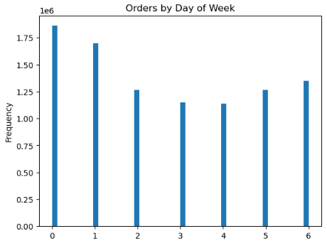
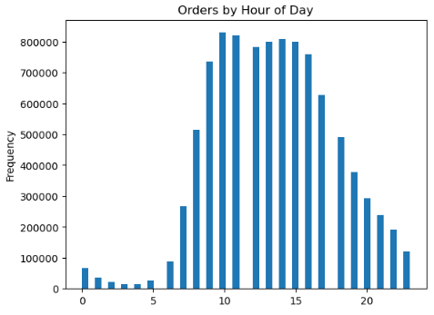
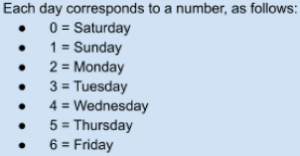

The busiest days of the week are Saturday/Sunday. The least busy days of the week are Tuesday/Wednesday, followed by Monday/Thursday and then Friday. | Most orders are placed between 9a - 4p, which is during normal working hours. Orders start to ramp up at about 7a, and start to trail off during the evening hours and into late night. The least amount of orders are placed before 7a and after 8p.

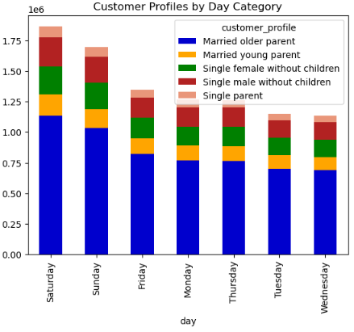
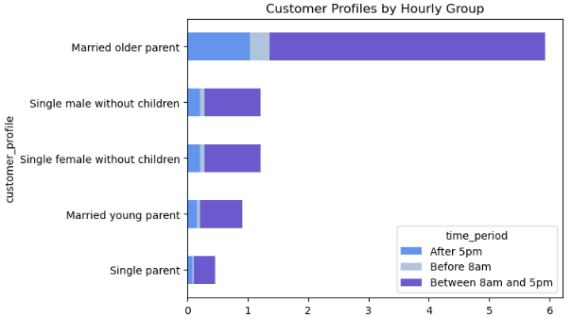

Each customer profile reflects the same distribution as noted at the aggregate level.

2. They also want to know whether there are particular times of the day when people spend the most money, as this might inform the type of products they advertise at these times.
Prices by Hour of Day

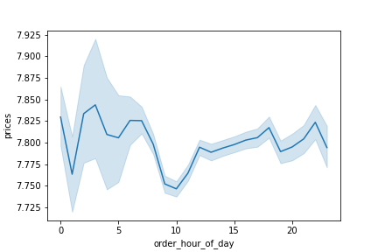

From this line chart, it appears that the most money is spent between 3a - 4a, then again between 6a - 7a, and at around 7p and 11p. The lowest spending period occurs between 9a - 12p.

3. Instacart has a lot of products with different price tags. Marketing and sales want to use simpler price range groupings to help direct their efforts.

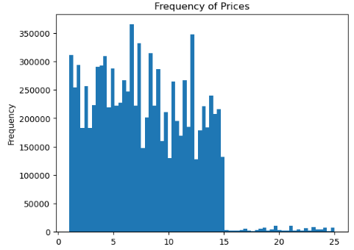
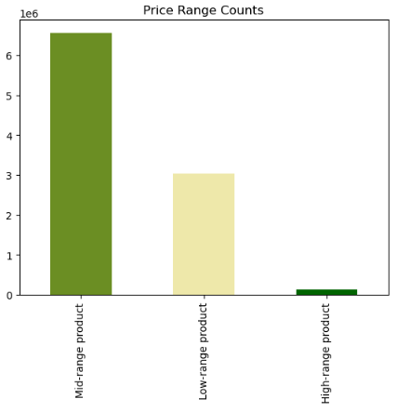

There's a huge reduction in order frequency for products that are priced > $15, with the higher priced products barely making it onto the graph. | To further breakdown the below $15 products into mid-range products, priced between $6 - $15 and low-range products, priced less than $6, shows the greater popularity of the mid-range products at more than double the frequency of the low-range products, and the high-range products being the least popular, with less than 15% of the order frequency of the mid-range.

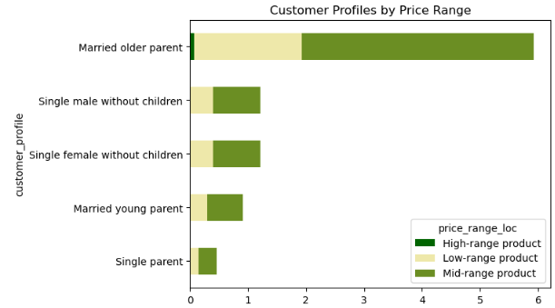
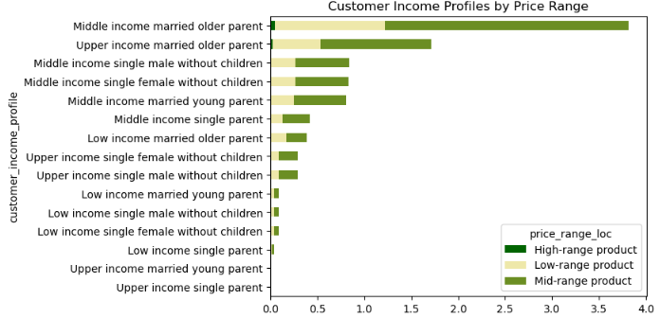

The higher frequency of mid-range product orders is consistent across the customer profile groups. | The higher frequency of mid-range product orders is also consistent across the customer income profile groups, regardless of customer spending power, with the closest customer income profile to an even split between frequency of mid-range and low-range products being the "Low income married older parent' profile.

4. Are there certain types of products that are more popular than others? The marketing and sales teams want to know which departments have the highest frequency of product orders.

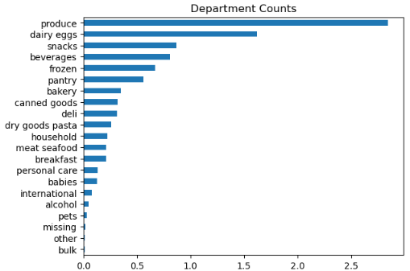
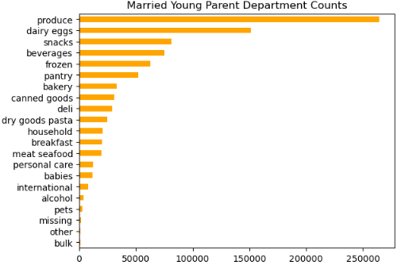
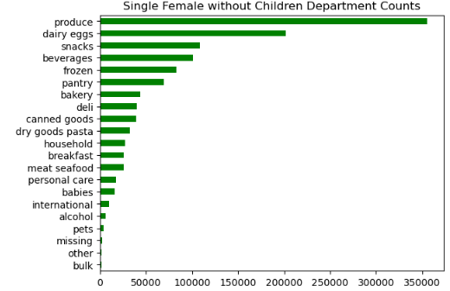
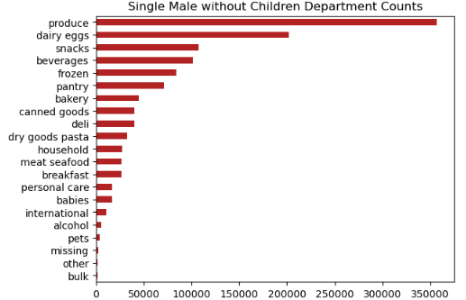
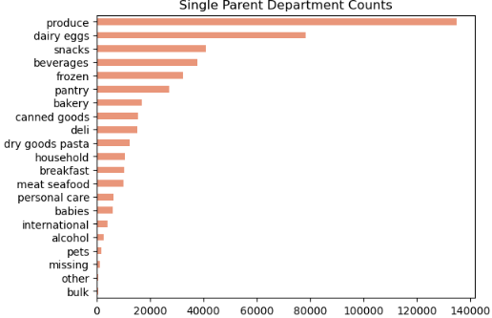
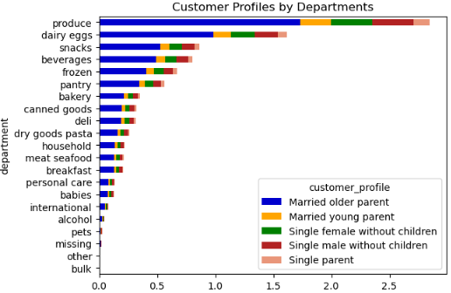
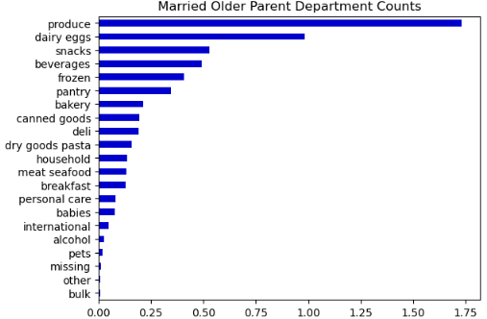

The top 5 most popular departments, from highest to lowest frequency are produce, dairy eggs, snacks, beverages, and frozen. The frequency of orders from the produce department far exceeds the frequency of the other departments, with almost more than half the order frequency of the dairy/eggs departments and approximately more than 3 times or greater the order frequency of the other departments. The 5 least popular departments, from least to greatest, are bulk, other, pets, alcohol and international. | The prefence of types of products for each profile is proportionately similar to the distribution for all customers, such that there would be no notable targeting strategy on a customer profile level. Top 5 departments for all profiles = 1. Produce, 2. Dairy eggs, 3. Snacks, 4. Beverages, 5. Frozen; and the distribution for all departments is proportionately the same for all profiles.

5. What’s the distribution among users in regards to their brand loyalty (i.e., how often do they return to Instacart)?

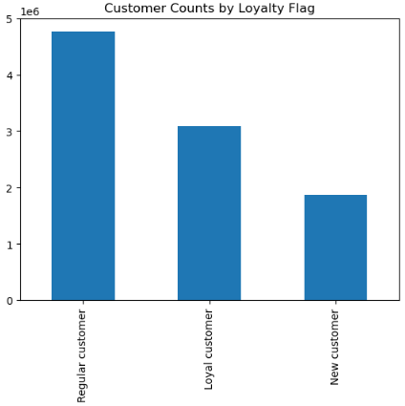
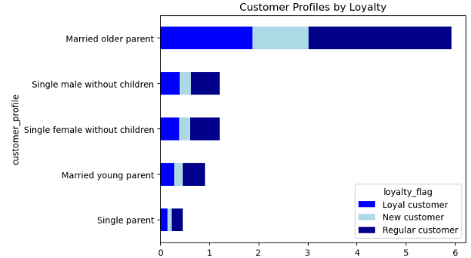

Most Instacart users are regular customers, having returned to Instacart between 11 - 40 times. Loyal customers, customers who have returned more than 40 times, are the next in frequency. The least frequent loyalty group are new customers, who have returned 10 times or less to Instacart. | Each customer profile follows the same distribution pattern as the total, with regular customers having the highest frequency of orders and new customers having the least frequency of orders.

6. Are there differences in ordering habits based on a customer’s loyalty status?

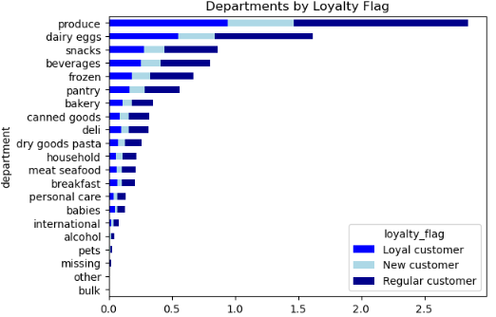

Each customer loyalty status follows the same distribution pattern of departments on a whole, with the top 5 departments being produce, dairy eggs, snacks, beverages and frozen. Each department also follows the same distribution pattern as the total, with regular customers having the highest frequency of orders and new customers having the least frequency of orders.

7. Are there differences in ordering habits based on a customer’s region?

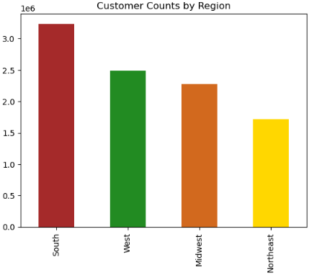
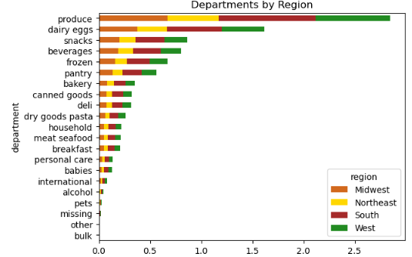

The South region has the highest frequency of orders, followed by the West and Midwest regions. The Northeast region has the lowest frequency of customer orders. | The distribution for each department is reflective of the distribution of the population on a whole, where the South region has the highest frequency of orders, followed by the West and Midwest regions; and the Northeast region has the lowest frequency of customer orders.

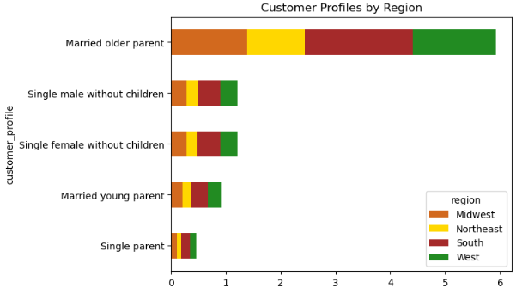
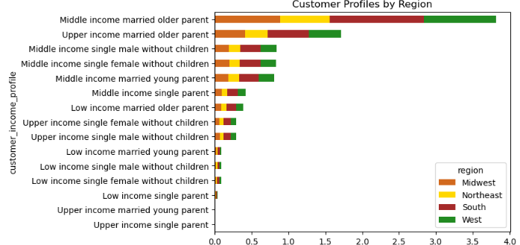

The distribution is the same at the customer profile level, where the South region has the highest frequency of orders, followed by the West and Midwest regions; and the Northeast region has the lowest frequency of customer orders.

8. Is there a connection between age and family status in terms of ordering habits?
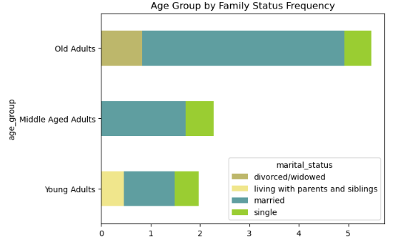

In all the age groups the married customers has the highest frequency of orders.

9. What different classifications does the demographic information suggest? Age? Income? Certain types of goods? Family status?

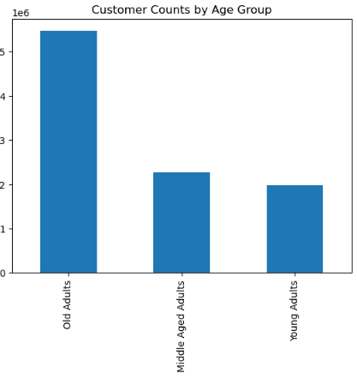
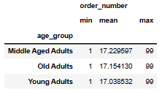
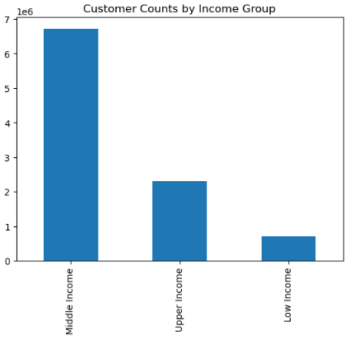
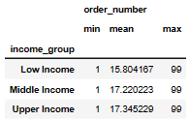

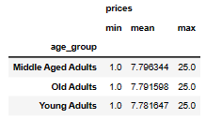
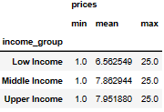

Old Adults, in the greater than 45 years group, have the highest frequency and Young Adults, age 17 - 30, have the lowest frequency, only slightly lower than the Middle Aged Adults age group, age 31 - 45. | Middle income customers have the highest frequency of orders by more than 3 times the upper income group, which has more than 3 times the order frequency of the low income group, which has the least orders of the 3 income groups.

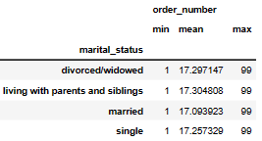
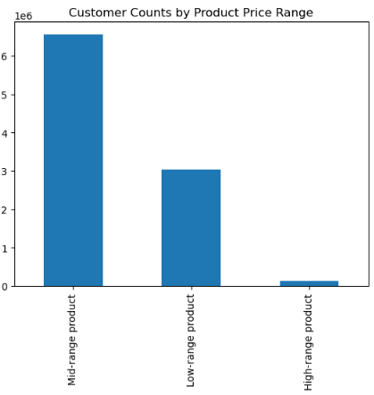
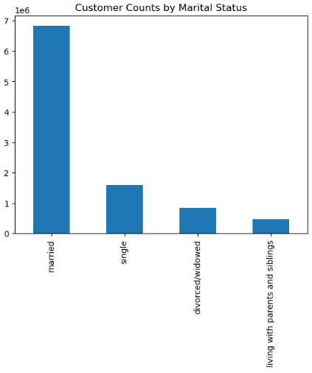
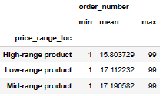

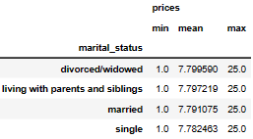
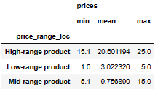

The mid-range products have the highest order frequency. Followed by the low-range products. The high-range products has only a very small number of orders, and has the least frequency. | The married customers have the highest frequency of orders, by a significant difference to the next highest group, the singles. The living with parents and siblings group has the least amount of orders.

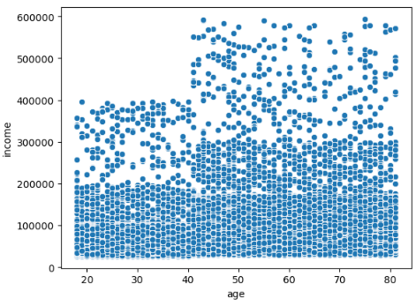
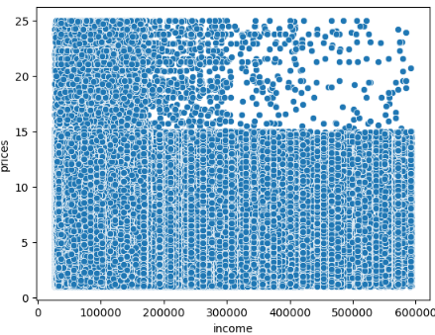

The scatterplot shows a notable increase in spending power after age 40. | However, below we see that as spending power increases past 30k, there is a decrease in the frequency of higher-priced (>$15) products being ordered. Surprisingly, higher-priced products are more frequently purchased by customers with less income/spending power.

10. What differences can you find in ordering habits of different customer profiles? Consider the price of orders, the frequency of orders, the products customers are ordering, and anything else you can think of.

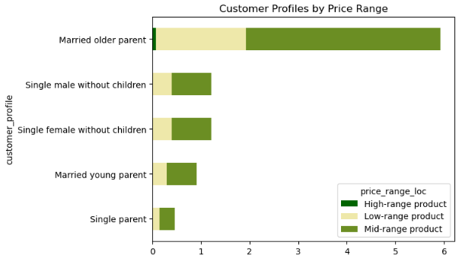
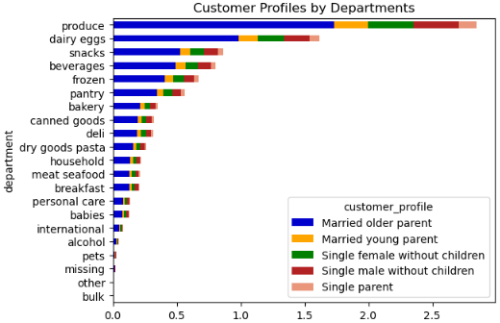

All customer profiles show the mid-range product orders with the highest frequency, followed by low-range products. Only the married older parent customer profile has order purchases for high-range products, and only a very small population of orders. | All customer profiles show the produce department with the highest order frequency, followed by dairy/eggs, snacks, beverages and then frozen. The bulk department has the least number of orders, which is not even visible on the graph.

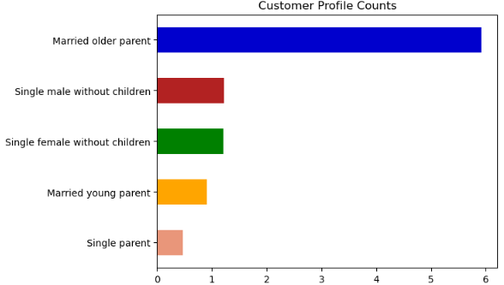
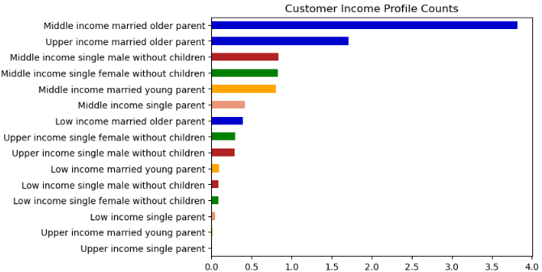

Orders for the married older parent profile greatly exceed the other profiles by more than 3 times. It's followed by the single male and female groups. The single parent customer profile has the least amount of orders. | The middle income married older parent profile far exceeds the other customer income profile groups. The next group that follows, the upper income married older parent group, is a little less than half the order frequency. The customer income profile group with the least orders is the Upper income single parent profile.

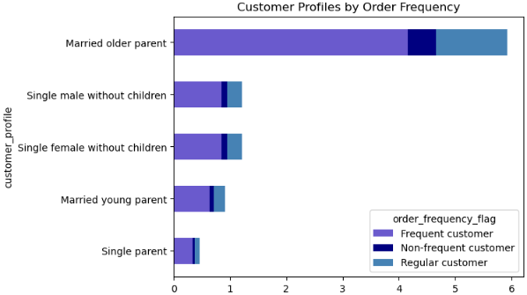
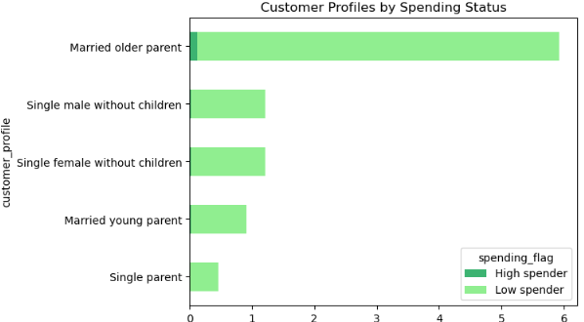

Across all the customer profiles, the majority of customers fall into the frequent customer group. A very small population of each profile falls into the non-frequent customer group. | Across all profiles, except for the married older parent customer profile, which has only a very low population of high spender customers, there is only the low spender status.

7. Recommendations
 |  |  | Title page

Recommendations

In this tab you should include any recommendations you would made to Instcart in terms of their marketing strategy based on the questions posed in the brief. Every key question has been covered in the Tasks of the Exercises - here you need to add an item - a visualisation or table/crosstable that is showing the answer in the data, acompanied by a comment from you. Please, list the questions below and add the answer underneath.

Question | Answer | Recommendation
1. The sales team needs to know what the busiest days of the week and hours of the day are (i.e., the days and times with the most orders) in order to schedule ads at times when there are fewer orders. | The busiest days of the week are Saturday/Sunday. The least busy days of the week are Tuesday/Wednesday, followed by Monday/Thursday and then Friday. Most orders are placed between 9a - 4p, which is during normal working hours. Orders start to ramp up at about 7a, and start to trail off during the evening hours and into late night. The least amount of orders are placed before 7a and after 8p. | I would recommend scheduling ads right before the slowest days and slowest times, from Monday - Thursday, before 7a and after 7p.
2. They also want to know whether there are particular times of the day when people spend the most money, as this might inform the type of products they advertise at these times. | From this line chart, it appears that the most money is spent between 3a - 4a, then again between 6a - 7a, and at around 7p and 11p. The lowest spending period occurs between 9a - 12p. | Notably, the most money is spent during times when less orders are placed. I would recommend including sales on higher priced items before 7a, right before 7p and again right before 11p. The sales prices will serve to attract customers to those products and increase the chances of them continuing to purchase those products even when they are no longer on sale. I would also recommend adding a reward incentive (i.e. free delivery or express delivery) for ordering above a certain amount with each order. This will, many times, prompt an additional larger dollar purchase to push the order over that certain amount.
3. Instacart has a lot of products with different price tags. Marketing and sales want to use simpler price range groupings to help direct their efforts. | There's a huge reduction in order frequency for products that are priced > $15, with the higher priced products barely making it onto the graph. To further breakdown the below $15 products into mid-range products, priced between $6 - $15 and low-range products, priced less than $6, shows the greater popularity of the mid-range products at more than double the frequency of the low-range products, and the high-range products being the least popular, with less than 15% of the order frequency of the mid-range. | I recommend using the obvious breakout between the >$15 products, but also to further breakdown the below $15 products into mid-range products, priced between $6 - $15 and low-range products, priced less than $6.
4. Are there certain types of products that are more popular than others? The marketing and sales teams want to know which departments have the highest frequency of product orders. | The top 5 most popular departments, from highest to lowest frequency are produce, dairy eggs, snacks, beverages, and frozen. The frequency of orders from the produce department far exceeds the frequency of the other departments, with almost more than half the order frequency of the dairy/eggs departments and approximately more than 3 times or greater the order frequency of the other departments. The 5 least popular departments, from least to greatest, are bulk, other, pets, alcohol and international. | I recommend sending out ads, promotions and recommendations to our Instacart customers relevant to the top 5 most popular departments: produce, dairy eggs, snacks, beverages and frozen and based upon their order history.
5. What’s the distribution among users in regards to their brand loyalty (i.e., how often do they return to Instacart)? | Most Instacart users are regular customers, having returned to Instacart between 11 - 40 times. Loyal customers, customers who have returned more than 40 times, are the next in frequency. The least frequent loyalty group are new customers, who have returned 10 times or less to Instacart. | I would recommend providing incentives for 2 different levels: for customers once they pass the 10 order mark, and then again for customers once they pass the 40 order mark and provide updates to them to let them know how far they are away from those rewards with each order.
6. Are there differences in ordering habits based on a customer’s loyalty status? | Each customer loyalty status follows the same distribution pattern of departments on a whole, with the top 5 departments being produce, dairy eggs, snacks, beverages and frozen. Each department also follows the same distribution pattern as the total, with regular customers having the highest frequency of orders and new customers having the least frequency of orders. | I recommend sending out ads, promotions and recommendations to our Instacart customers relevant to the top 5 most popular departments: produce, dairy eggs, snacks, beverages and frozen and based upon their order history.
7. Are there differences in ordering habits based on a customer’s region? | The South region has the highest frequency of orders, followed by the West and Midwest regions. The Northeast region has the lowest frequency of customer orders. | I would recommend boosting advertising in the northeast region to boost sales and increase the market share there. As the product preference is the same across all regions, the emphasis for the ads would remain on the same top 5 products.
8. Is there a connection between age and family status in terms of ordering habits? | In all the age groups the married customers has the highest frequency of orders. | I would recommend an increase in ads targeting single customers to increase the market share of customers who fall into that group.
9. What different classifications does the demographic information suggest? Age? Income? Certain types of goods? Family status? | Old Adults, in the greater than 45 years group, have the highest frequency and Young Adults, age 17 - 30, have the lowest frequency, only slightly lower than the Middle Aged Adults age group, age 31 - 45. Middle income customers have the highest frequency of orders by more than 3 times the upper income group, which has more than 3 times the order frequency of the low income group, which has the least orders of the 3 income groups. The mid-range products have the highest order frequency. Followed by the low-range products. The high-range products has only a very small number of orders, and has the least frequency. The married customers have the highest frequency of orders, by a significant difference to the next highest group, the singles. The living with parents and siblings group has the least amount of orders. There is a notable increase in spending power after age 40. However, as spending power increases past 30k, there is a decrease in the frequency of higher-priced (>$15) products being ordered. Surprisingly, higher-priced products are more frequently purchased by customers with less income/spending power. | The demographic information suggests that the groups with the lowest order frequency that ads should be targeting are: · Young adults · Low income customers · Single customers
10. What differences can you find in ordering habits of different customer profiles? Consider the price of orders, the frequency of orders, the products customers are ordering, and anything else you can think of. | All customer profiles show the mid-range product orders with the highest frequency, followed by low-range products. Only the married older parent customer profile has order purchases for high-range products, and only a very small population of orders. All customer profiles show the produce department with the highest order frequency, followed by dairy/eggs, snacks, beverages and then frozen. The bulk department has the least number of orders, which is not even visible on the graph. Orders for the married older parent profile greatly exceed the other profiles by more than 3 times. It's followed by the single male and female groups. The single parent customer profile has the least amount of orders. The middle income married older parent profile far exceeds the other customer income profile groups. The next group that follows, the upper income married older parent group, is a little less than half the order frequency. The customer income profile group with the least orders is the Upper income single parent profile. Across all the customer profiles, the majority of customers fall into the frequent customer group. A very small population of each profile falls into the non-frequent customer group. Across all profiles, except for the married older parent customer profile, which has only a very low population of high spender customers, there is only the low spender status. | The married older parent profile has, by far, the highest frequency of orders of all the customer profiles, and within that profile, those in the middle income bracket. There is a very small population of this group that can be categorized as high spender customers. Surprisingly the high income population places less orders and spends less than the middle income population of the married older parent customer profile. Aside from that, the product preferences, product price preferences, spending status, loyalty status, distribution across regions are similar within each profile. As such, I would recommend a similar targeting strategy for all groups with increased targeting in the Northeast and for young, single adults, where market share is the lowest. These new targeted ad campaigns should run from Monday - Thursday, before 7a and after 7p, and should highlight: · Products from the top 5 departments (produce, dairy, eggs, snacks, beverages and frozen) · Mid-range products · Sales on high priced items included from the top departments only at select times within peak spending times (3a - 4a, 6a - 7a, 7p, 11p) · Rewards programs based upon customer loyalty status · Delivery incentive (free or express) for orders over a certain dollar amount

